Sheet1
Prem Networks
 | 10.0.0.101

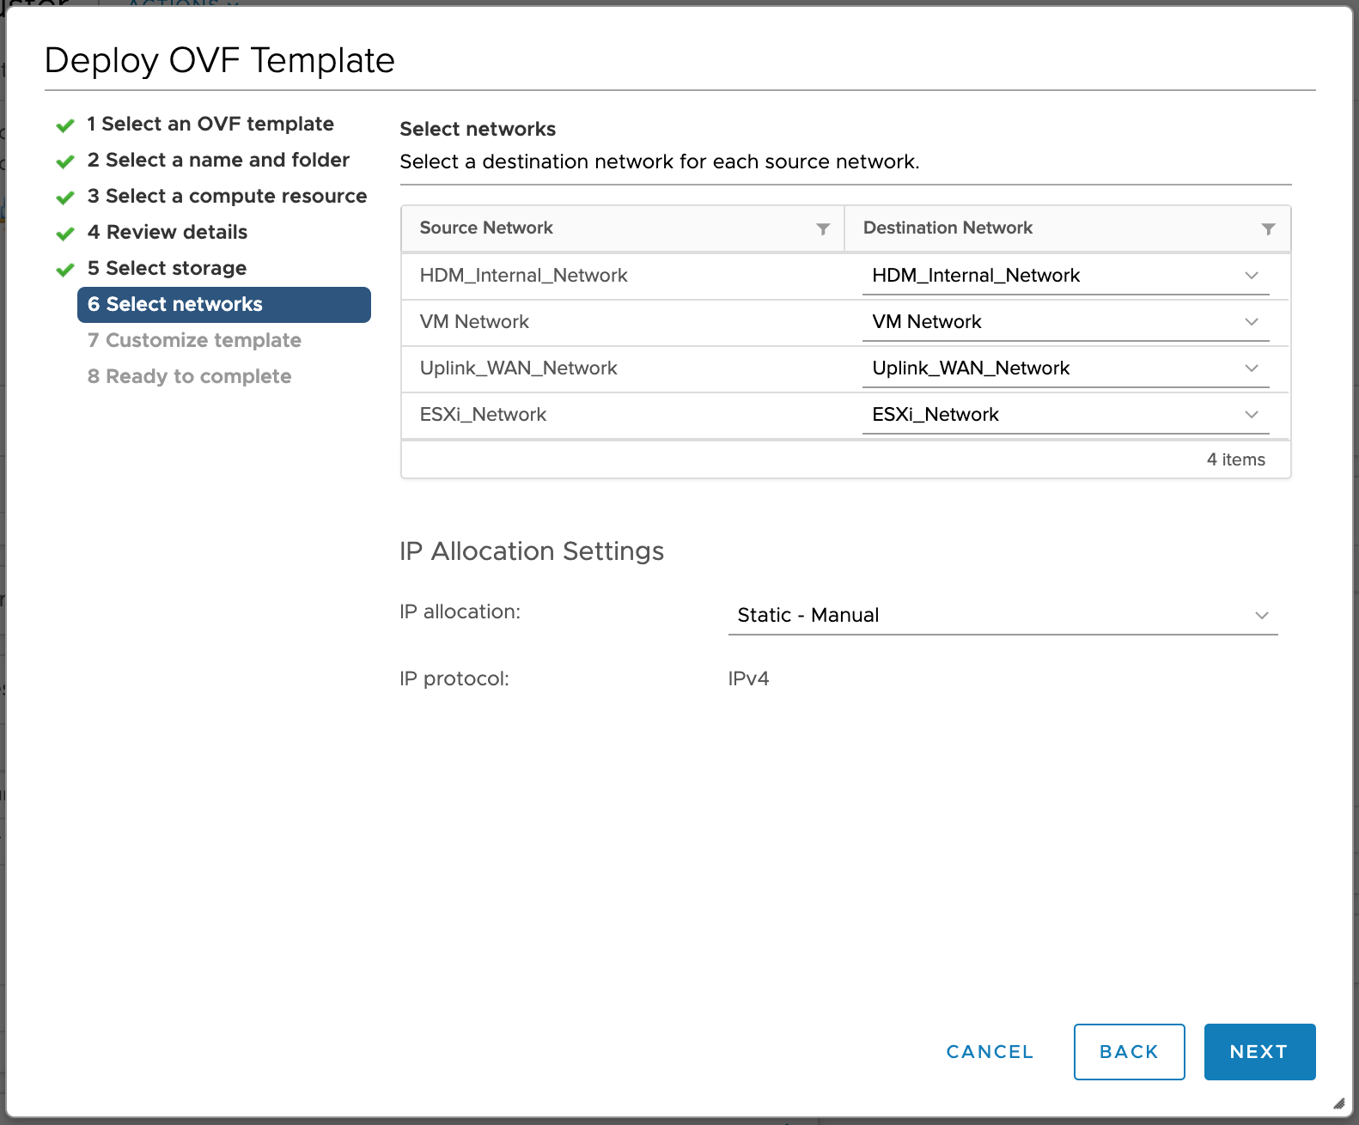
Deploy the HDM Appliance On-premises
 | Fill values on this page
HDM_Internal_Network
 | IP Addres | 10.0.0.101 | (one IP required)
 | Netmask | 255.255.255.0
 | Gateway | 10.0.0.1
Uplink_WAN_Network
 | IP Addres | 10.0.4.101 | (one IP required)
 | Netmask | 255.255.255.0
 | Gateway | 10.0.4.1
ESXi Network
 | IP Addres | 10.102.7.1 | (one IP required)
 | Netmask | 255.255.0.0
 | Gateway | 10.102.0.1
VM_Network
 | IP Addres | 10.102.7.51 | (one IP required)
 | Netmask | 255.255.0.0
 | Gateway | 10.102.0.1

DNS | 10.102.0.2
Seach Path | piocd3.lan

Prem Deployment

HDM internal network configuration
 | IP Addres | 10.0.0.102-10.0.0.200
 | Netmask | 255.255.255.0
 | Gateway | 10.0.0.1
WaN
 | IP Addres | 10.0.4.102-10.0.4.200
 | Netmask | 255.255.255.0
 | Gateway | 10.0.4.1
ESXi
 | IP Addres | 10.102.7.2-10.102.7.50
 | Netmask | 255.255.0.0
 | Gateway | 10.102.0.1

Cloud
HDM internal network
 | IP Addres | 10.51.1.100-10.51.1.150
 | Netmask | 255.255.255.0
 | Gateway | 10.51.1.1
WAN network
 | IP Addres | 10.50.1.100-10.50.1.150
 | Netmask | 255.255.255.0
 | Gateway | 10.50.1.1

